RÄTSEL

Z | U | H | A | U | S | E | Z | U | H | A | U | S | E | Z | U | H | A | U | S
U | H | A | U | S | E | Z | U | H | A | U | S | E | Z | U | H | A | U | S | E
H | A | U | S | E | Z | U | H | A | U | S | E | Z | U | H | A | U | S | E | Z
A | U | S | E | Z | U | H | A | U | S | E | Z | U | H | A | U | S | E | Z | U
U | S | E | Z | U | H | A | U | S | E | Z | U | H | A | U | S | E | Z | U | H
S | E | Z | U | H | A | U | S | E | Z | U | H | A | U | S | E | Z | U | H | A
E | Z | U | H | A | U | S | E | Z | U | H | A | U | S | E | Z | U | H | A | U
Z | U | H | A | U | S | E | E | U | H | A | U | S | E | Z | U | H | A | U | S | U | H | A
U | H | A | U | S | E | Z | U | H | A | U | S | E | Z | U | H | A | U | S | E | H | A
H | A | U | S | E | Z | U | H | A | U | S | E | Z | U | H | A | U | S | E | Z | A
A | U | S | E | Z | U | H | A | U | S | E | Z | U | H | A | U | S | E | Z | U
U | S | E | Z | U | H | A | U | S | E | Z | U | H | A | U | S | E | Z | U | H
S | E | Z | U | H | A | U | S | E | Z | U | H | A | U | S | E | Z | U | H | A
E | Z | U | H | A | U | S | E | Z | U | H | A | U | S | E | Z | U | H | A | U

ZAUBERQUADRAT
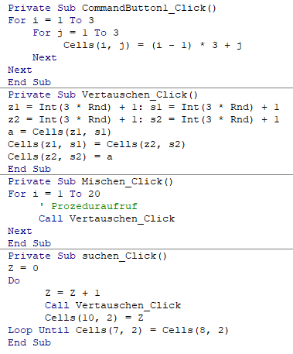
6 | 7 | 2
1 | 5 | 9
8 | 3 | 4

15 | 15 | 15 | 15 | 15 | 15 | 15 | 15

Minimum | 15
Maximum | 15

Versuche | 0

